Q1
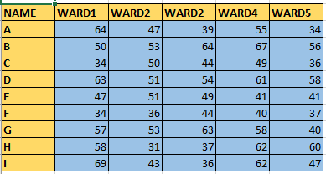
 |  | SOURCE |  |  |  |  | DESTINATION(DYNAMIC)
NAME | WARD1 | WARD2 | WARD2 | WARD4 | WARD5
A | 64 | 47 | 39 | 55 | 34
B | 50 | 53 | 64 | 67 | 56
C | 34 | 50 | 44 | 49 | 36
D | 63 | 51 | 54 | 61 | 58
E | 47 | 51 | 49 | 41 | 41
F | 34 | 36 | 44 | 40 | 37
G | 57 | 53 | 63 | 58 | 40
H | 58 | 31 | 37 | 62 | 60
I | 69 | 43 | 36 | 62 | 47
 |  |  |  |  |  | Question :Required Output as Object(Image) and when we change my source data destination data must be change.

Q7
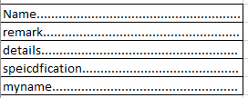
Required Output-When we Type Name or Remarks etc in any cell …...automatically insert within that cell

